1A LoD-Preliminary
1A LoD - Preliminary

 | Plate Map
 |  | 1 | 2 | 3
 | A Row | 100,000 | 100,000 | 100,000
 | B Row | 50,000 | 50,000 | 50,000
 | C Row | 25,000 | 25,000 | 25,000
 | D Row | 12,500 | 12,500 | 12,500
 | E Row | 6,250 | 6,250 | 6,250
 | F Row | 3,125 | 3,125 | 3,125
 | G Row | 0 | 0 | 0
 | H Row | Neg Control | Neg Control | Pos Control

 | Results Image
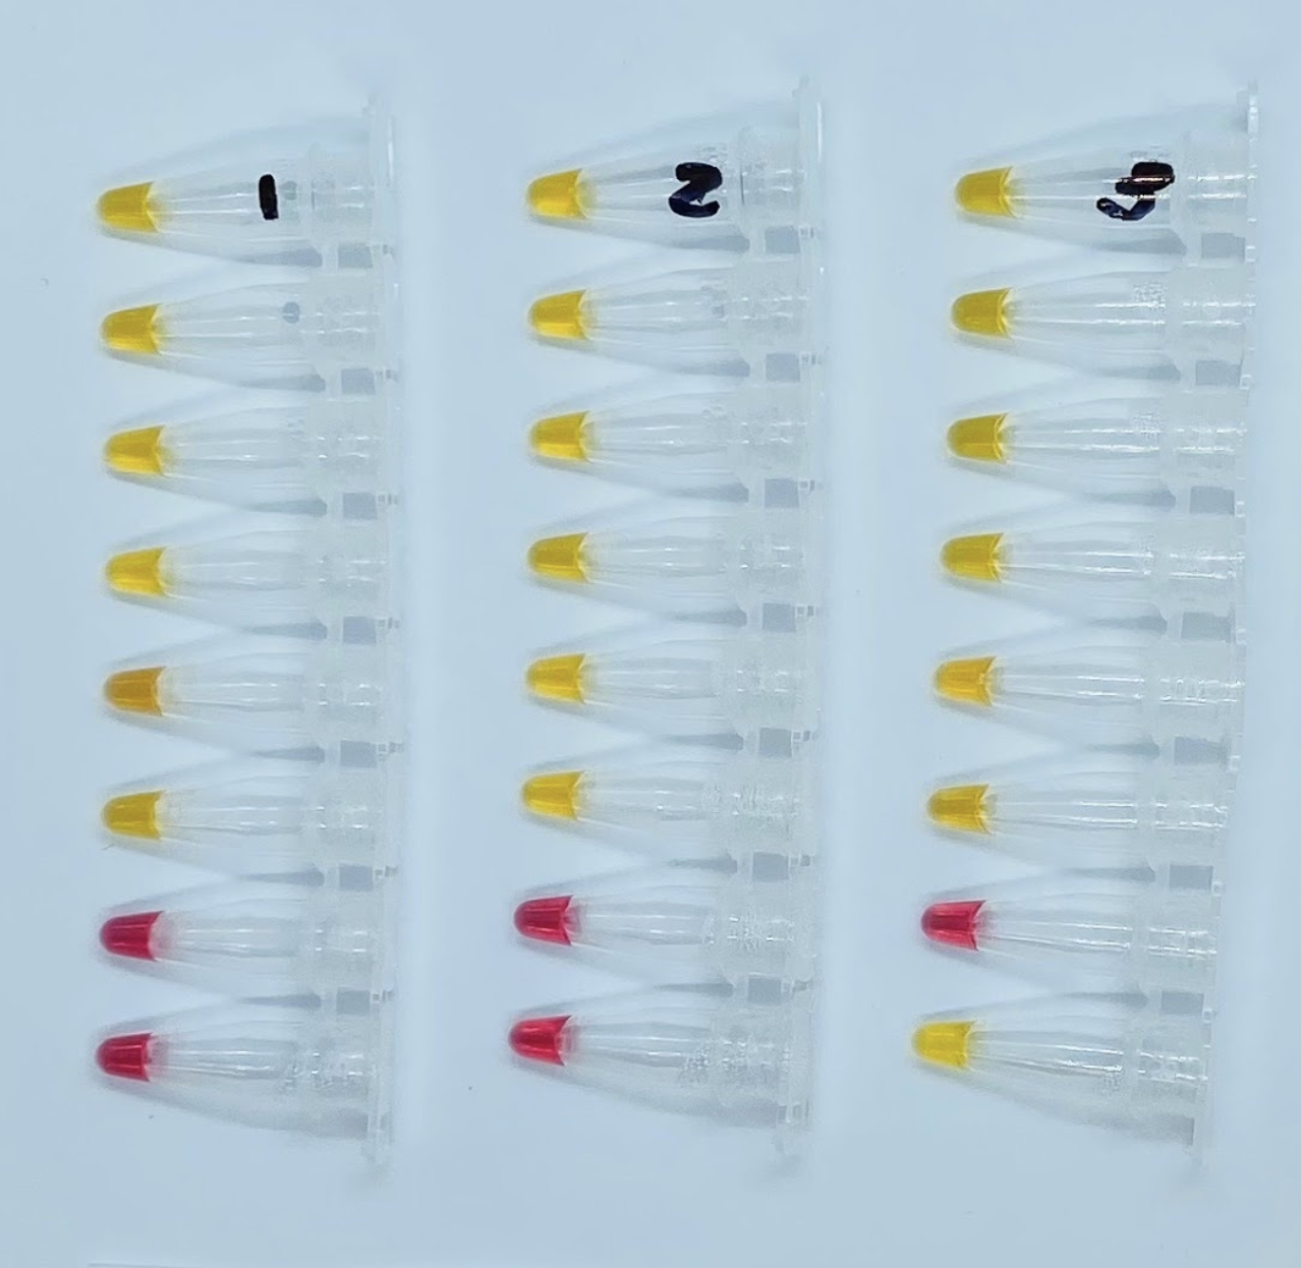

 | Line Item Data |  |  |  | Summary Data
 | Concentration | Replicate | Result |  | Concentration | Result
 | 100,00 copies/mL | 1 | POSITIVE |  | 100,00 copies/mL | POS 3/3
 |  | 2 | POSITIVE |  | 50,000 copies/mL | POS 3/3
 |  | 3 | POSITIVE |  | 25,000 copies/mL | POS 3/3
 | 50,000 copies/mL | 1 | POSITIVE |  | 12,500 copies/mL | POS 3/3
 |  | 2 | POSITIVE |  | 6,250 copies/mL | POS 3/3
 |  | 3 | POSITIVE |  | 3,125 copies/mL | POS 3/3
 | 25,000 copies/mL | 1 | POSITIVE |  | 0 copies/uL | NEG 3/3
 |  | 2 | POSITIVE
 |  | 3 | POSITIVE
 | 12,500 copies/mL | 1 | POSITIVE
 |  | 2 | POSITIVE
 |  | 3 | POSITIVE
 | 6,250 copies/mL | 1 | POSITIVE
 |  | 2 | POSITIVE
 |  | 3 | POSITIVE
 | 3,125 copies/mL | 1 | POSITIVE
 |  | 2 | POSITIVE
 |  | 3 | POSITIVE
 | 0 copies/mL | 1 | NEGATIVE
 |  | 2 | NEGATIVE
 |  | 3 | NEGATIVE
 | Negative Control | 1 | NEGATIVE
 |  | 2 | NEGATIVE
 | Positive Control | 1 | POSITIVE

1B LoD-Confirmatory
1B LOD - Confirmatory
 |  |  |  |  |  |  |  | Supplemental Confirmatory LOD Run - *10% pipetting error on Colorimetric LAMP Master Mix
 | Plate Map |  |  |  |  |  |  | Plate Map
 |  | 1 | 2 | 3 | 4 | 5 | 6 |  | 1 | 2 | 3 | 4 | 5 | 6
 | A Row | 6,250 | 6,250 | 6,250 | 12,500 | 12,500 | 12,500 | A Row | 6,250 | 6,250 | 6,250 | 12,500 | 12,500 | 12,500
 | B Row | 6,250 | 6,250 | 6,250 | 12,500 | 12,500 | 12,500 | B Row | 6,250 | 6,250 | 6,250 | 12,500 | 12,500 | 12,500
 | C Row | 6,250 | 6,250 | 6,250 | 12,500 | 12,500 | 12,500 | C Row | 6,250 | 6,250 | 6,250 | 12,500 | 12,500 | 12,500
 | D Row | 6,250 | 6,250 | 6,250 | 12,500 | 12,500 | 12,500 | D Row | 6,250 | 6,250 | 6,250 | 12,500 | 12,500 | 12,500
 | E Row | 6,250 | 6,250 | 6,250 | 12,500 | 12,500 | 12,500 | E Row | 6,250 | 6,250 | 6,250 | 12,500 | 12,500 | 12,500
 | F Row | 6,250 | 6,250 | 6,250 | 12,500 | 12,500 | 12,500 | F Row | 6,250 | 6,250 | 6,250 | 12,500 | 12,500 | 12,500
 | G Row | 6,250 | 6,250 | 6,250 | 12,500 | 12,500 | 12,500 | G Row | 6,250 | 6,250 | 6,250 | 12,500 | 12,500 | 12,500
 | H Row | 0 | Neg Control | Pos Control | 0 | Neg Control | Pos Control | H Row | 0 | Neg Control | Pos Control | 0 | Neg Control | Pos Control

 | Results Image |  |  |  |  |  |  | Results Image
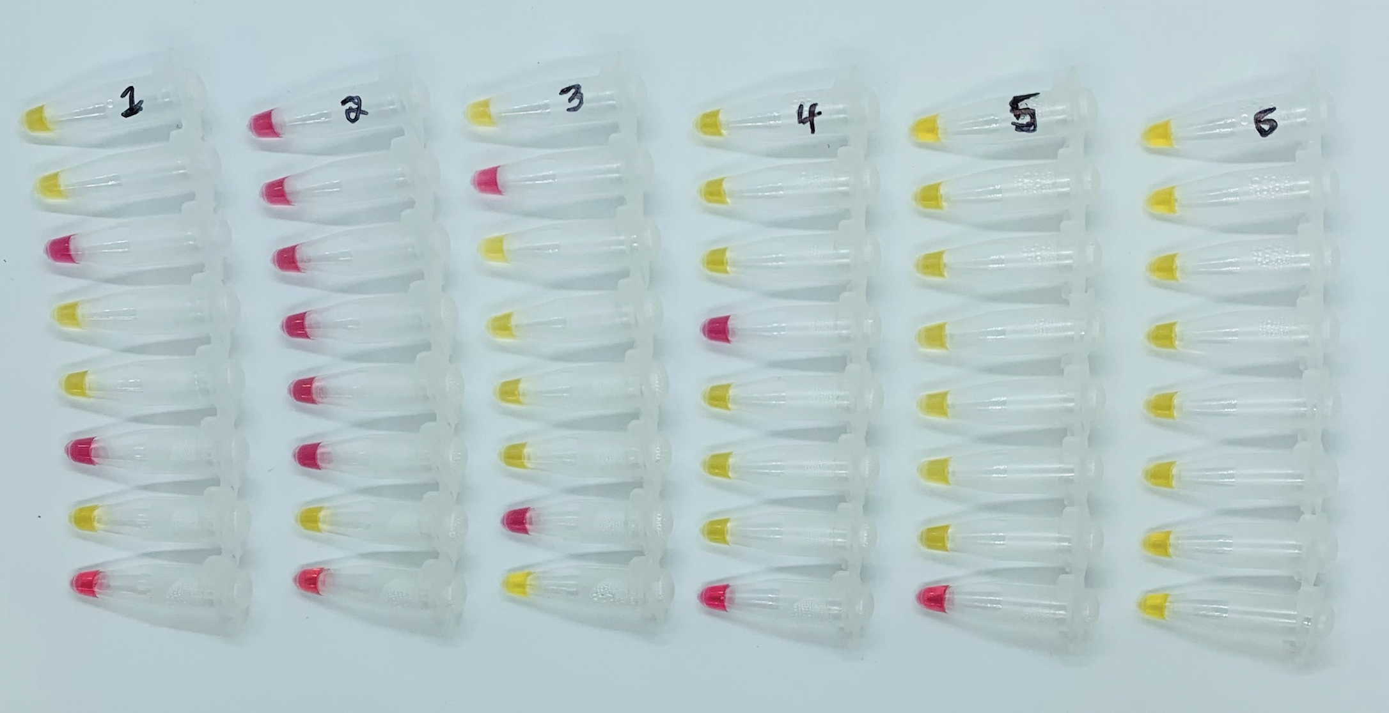
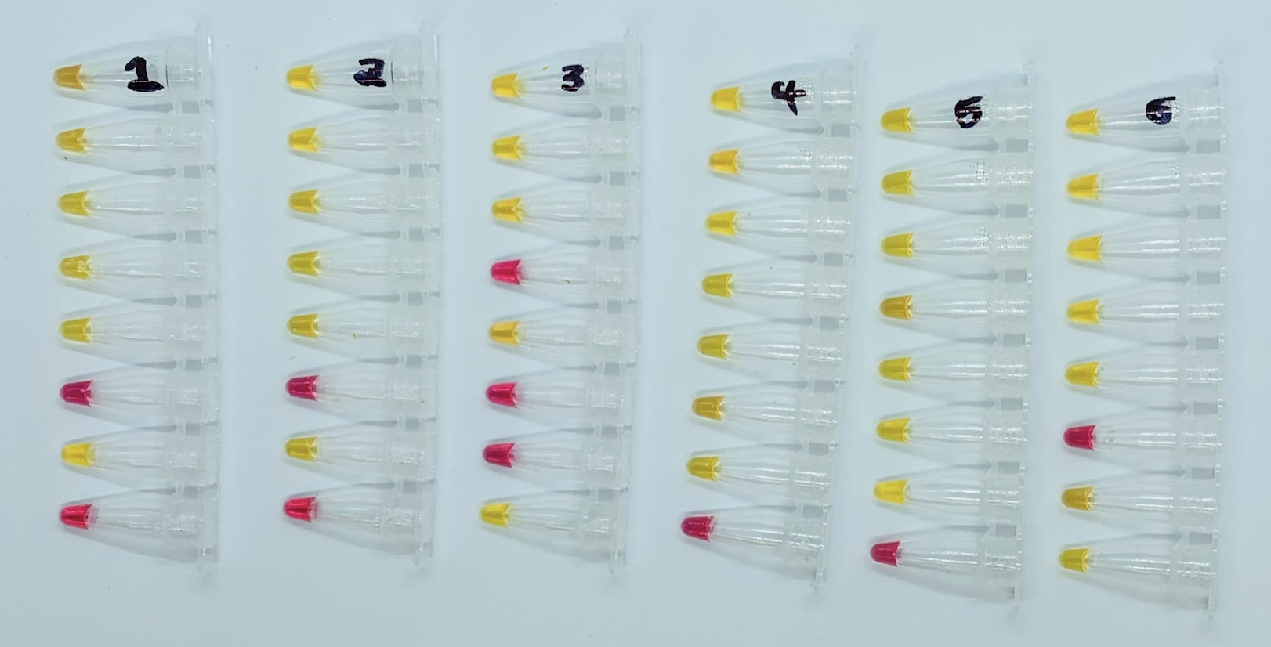

 | Line Item Data |  |  |  | Summary Data |  |  | Line Item Data |  |  |  | Summary Data
 | Concentration | Replicate | Result |  | Concentration | Result |  | Concentration | Replicate | Result |  | Concentration | Result
 | 12,500 copies/mL | 1 | POSITIVE |  | 12,500 copies/mL | POS 20/21 |  | 12,500 copies/mL | 1 | POSITIVE |  | 12,500 copies/mL | POS 20/21
 |  | 2 | POSITIVE |  | 6,250 copies/mL | POS 11/21 |  |  | 2 | POSITIVE |  | 6,250 copies/mL | POS 16/21
 |  | 3 | POSITIVE |  | 0 copies/mL | NEG 2/2 |  |  | 3 | POSITIVE |  | 0 copies/mL | NEG 2/2
 |  | 4 | NEGATIVE |  |  |  |  |  | 4 | POSITIVE
 |  | 5 | POSITIVE |  |  |  |  |  | 5 | POSITIVE
 |  | 6 | POSITIVE |  |  |  |  |  | 6 | POSITIVE
 |  | 7 | POSITIVE |  |  |  |  |  | 7 | POSITIVE
 |  | 8 | POSITIVE |  |  |  |  |  | 8 | POSITIVE
 |  | 9 | POSITIVE |  |  |  |  |  | 9 | POSITIVE
 |  | 10 | POSITIVE |  |  |  |  |  | 10 | POSITIVE
 |  | 11 | POSITIVE |  |  |  |  |  | 11 | POSITIVE
 |  | 12 | POSITIVE |  |  |  |  |  | 12 | POSITIVE
 |  | 13 | POSITIVE |  |  |  |  |  | 13 | POSITIVE
 |  | 14 | POSITIVE |  |  |  |  |  | 14 | POSITIVE
 |  | 15 | POSITIVE |  |  |  |  |  | 15 | POSITIVE
 |  | 16 | POSITIVE |  |  |  |  |  | 16 | POSITIVE
 |  | 17 | POSITIVE |  |  |  |  |  | 17 | POSITIVE
 |  | 18 | POSITIVE |  |  |  |  |  | 18 | POSITIVE
 |  | 19 | POSITIVE |  |  |  |  |  | 19 | POSITIVE
 |  | 20 | POSITIVE |  |  |  |  |  | 20 | NEGATIVE
 |  | 21 | POSITIVE |  |  |  |  |  | 21 | POSITIVE
 | 6,250 copies/mL | 1 | POSITIVE |  |  |  |  | 6,250 copies/mL | 1 | POSITIVE
 |  | 2 | POSITIVE |  |  |  |  |  | 2 | POSITIVE
 |  | 3 | NEGATIVE |  |  |  |  |  | 3 | POSITIVE
 |  | 4 | POSITIVE |  |  |  |  |  | 4 | POSITIVE
 |  | 5 | POSITIVE |  |  |  |  |  | 5 | POSITIVE
 |  | 6 | NEGATIVE |  |  |  |  |  | 6 | NEGATIVE
 |  | 7 | POSITIVE |  |  |  |  |  | 7 | POSITIVE
 |  | 8 | NEGATIVE |  |  |  |  |  | 8 | POSITIVE
 |  | 9 | NEGATIVE |  |  |  |  |  | 9 | POSITIVE
 |  | 10 | NEGATIVE |  |  |  |  |  | 10 | POSITIVE
 |  | 11 | NEGATIVE |  |  |  |  |  | 11 | POSITIVE
 |  | 12 | NEGATIVE |  |  |  |  |  | 12 | POSITIVE
 |  | 13 | NEGATIVE |  |  |  |  |  | 13 | NEGATIVE
 |  | 14 | POSITIVE |  |  |  |  |  | 14 | POSITIVE
 |  | 15 | POSITIVE |  |  |  |  |  | 15 | POSITIVE
 |  | 16 | NEGATIVE |  |  |  |  |  | 16 | POSITIVE
 |  | 17 | POSITIVE |  |  |  |  |  | 17 | POSITIVE
 |  | 18 | POSITIVE |  |  |  |  |  | 18 | NEGATIVE
 |  | 19 | POSITIVE |  |  |  |  |  | 19 | POSITIVE
 |  | 20 | POSITIVE |  |  |  |  |  | 20 | NEGATIVE
 |  | 21 | NEGATIVE |  |  |  |  |  | 21 | NEGATIVE
 | 0 copies/mL | 1 | NEGATIVE |  |  |  |  | 0 copies/mL | 1 | NEGATIVE
 |  | 2 | NEGATIVE |  |  |  |  |  | 2 | NEGATIVE
 | Negative Control | 1 | NEGATIVE |  |  |  |  | Negative Control | 1 | NEGATIVE
 |  | 2 | NEGATIVE |  |  |  |  |  | 2 | NEGATIVE
 | Positive Control | 1 | POSITIVE |  |  |  |  | Positive Control | 1 | POSITIVE
 |  | 2 | POSITIVE |  |  |  |  |  | 2 | POSITIVE

3B Cross Reactivity - Wet Tests
3B Cross Reactivity (Analytical Specifity) - Wet Tests

 | Line Item Data |  |  |  |  |  | Plate Map
 | Specimen ID | Replicate | Result |  |  |  |  | 1 | 2 | 3
 | S82 | 1 | NEGATIVE |  |  |  | C Row | Pos Control | Pos Control | Neg Control
 |  | 2 | NEGATIVE |  |  |  | D Row | S82 | S82 | S82
 |  | 3 | NEGATIVE |  |  |  | E Row | M22 | M22 | M22
 | M22 | 1 | NEGATIVE |  |  |  | F Row | R76 | R76 | R76
 |  | 2 | NEGATIVE |  |  |  | G Row | I48 | I48 | I48
 |  | 3 | NEGATIVE |  |  |  | H Row | H21 | H21 | H21
 | R76 | 1 | NEGATIVE
 |  | 2 | NEGATIVE |  |  |  | Results Image
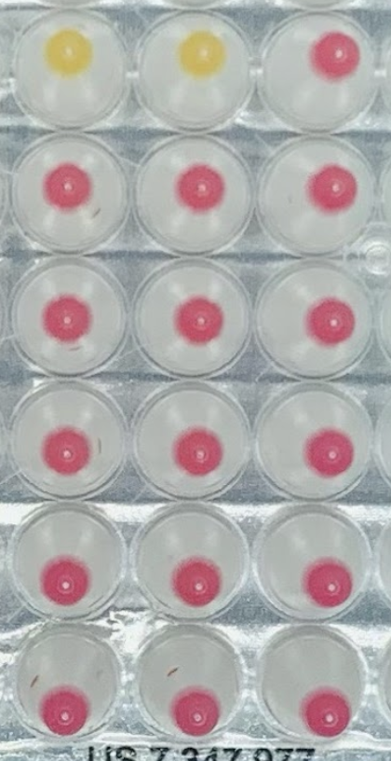
 |  | 3 | NEGATIVE
 | I48 | 1 | NEGATIVE
 |  | 2 | NEGATIVE
 |  | 3 | NEGATIVE
 | H21 | 1 | NEGATIVE
 |  | 2 | NEGATIVE
 |  | 3 | NEGATIVE
 | Pos Control * | 1 | POSITIVE
 |  | 2 | POSITIVE
 | Negative Control | 1 | NEGATIVE

 | Sample Info
 | Specimen ID | Item Number | Organism | Description | Strain | Batch No
 | S82 | NR-3882 | SARS-CoV | UV-inactivated virus | N/A | 480405CA
 | M22 | NR-49122 | Human Metapneumovirus | Genomic RNA from NR-22227 | TN/83-1211 | 359
 | R76 | NR-43976 | RSV | Genomic RNA from NR-28527 | A1997/12-35 | 61727102
 | I48 | NR-45848 | Influenza B | Genomic RNA from NR-44023 | Nevada/03/2011 | 70027288
 | H21 | HM-121 | Streptococcus salivarius | Bacterial cell culture | SK126 | 70032423

 |  |  | Summary Data
 |  |  | Organism | Description | Item Number | Detected Replicates
 |  |  | SARS-CoV | UV-inactivated virus | NR-3882 | 0/3
 |  |  | Human Metapneumovirus | Genomic RNA from NR-22227 | NR-49122 | 0/3
 |  |  | RSV | Genomic RNA from NR-28527 | NR-43976 | 0/3
 |  |  | Influenza B | Genomic RNA from NR-44023 | NR-45848 | 0/3
 |  |  | Streptococcus salivarius | Bacterial cell culture | HM-121 | 0/3

3C Interfering Substances
3C Interfering Substances

 | Plate Map | Spiked with irradiated virus |  |  | Unspiked
 |  | 1 | 2 | 3 | 4 | 5 | 6
 | A Row | INF1* | INF1* | INF1* | INF1 | INF1 | INF1
 | B Row | INF2* | INF2* | INF2* | INF2 | INF2 | INF2
 | C Row | INF3* | INF3* | INF3* | INF3 | INF3 | INF3
 | D Row | INF4* | INF4* | INF4* | INF4 | INF4 | INF4
 | E Row | INF5* | INF5* | INF5* | INF5 | INF5 | INF5
 | F Row | INFNONE* | INFNONE* | INFNONE* | INFNONE | INFNONE | INFNONE
 | G Row | Pos Control* | Pos Control* | Pos Control* | Pos Control* | Pos Control* | Pos Control*
 | H Row | Neg Control | Neg Control | Neg Control | Neg Control | Neg Control | Neg Control

 | Results Image
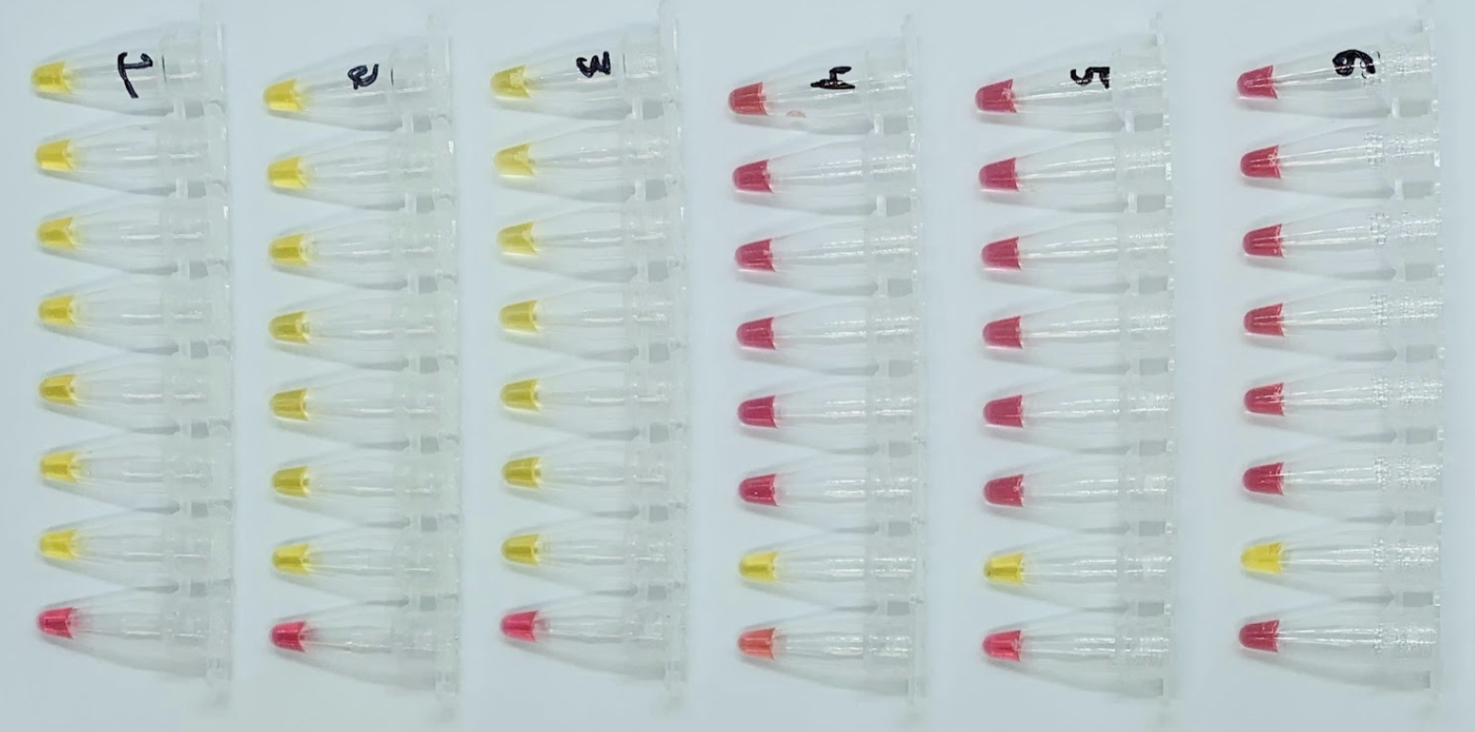

 | Specimen ID | Interferring Substance | Active Ingredient | Concentration | % Agreement with Expected Results
 |  |  |  |  | Positive Control Spiked | Negative Control Unspiked
 | INF1 | Blood | N/A | 1% v/v | 100% (3/3) | 100% (3/3)
 | INF2 | Nasal Congestion Spray | Acetaminophen, Guaifenesin, Phenylephrine HCI | 20% v/v | 100% (3/3) | 100% (3/3)
 | INF3 | Nasal Allergy Spray | Oxymetazoline HCl | 15% v/v | 100% (3/3) | 100% (3/3)
 | INF4 | Lozenges | Menthol | 10% w/v | 100% (3/3) | 100% (3/3)
 | INF5 | Mucin | N/A | 0.5% w/v | 100% (3/3) | 100% (3/3)

 | Specimen ID | Interferring Substance | Spiked? | Replicate | Result
 | INF1* | Blood | Spiked | 1 | POSITIVE
 |  |  |  | 2 | POSITIVE
 |  |  |  | 3 | POSITIVE
 | INF1 | Blood | Unspiked | 1 | NEGATIVE
 |  |  |  | 2 | NEGATIVE
 |  |  |  | 3 | NEGATIVE
 | INF2* | Nasal Congestion Spray | Spiked | 1 | POSITIVE
 |  |  |  | 2 | POSITIVE
 |  |  |  | 3 | POSITIVE
 | INF2 | Nasal Congestion Spray | Unspiked | 1 | NEGATIVE
 |  |  |  | 2 | NEGATIVE
 |  |  |  | 3 | NEGATIVE
 | INF3* | Nasal Allergy Spray | Spiked | 1 | POSITIVE
 |  |  |  | 2 | POSITIVE
 |  |  |  | 3 | POSITIVE
 | INF3 | Nasal Allergy Spray | Unspiked | 1 | NEGATIVE
 |  |  |  | 2 | NEGATIVE
 |  |  |  | 3 | NEGATIVE
 | INF4* | Lozenges | Spiked | 1 | POSITIVE
 |  |  |  | 2 | POSITIVE
 |  |  |  | 3 | POSITIVE
 | INF4 | Lozenges | Unspiked | 1 | NEGATIVE
 |  |  |  | 2 | NEGATIVE
 |  |  |  | 3 | NEGATIVE
 | INF5* | Mucin | Spiked | 1 | POSITIVE
 |  |  |  | 2 | POSITIVE
 |  |  |  | 3 | POSITIVE
 | INF5 | Mucin | Unspiked | 1 | NEGATIVE
 |  |  |  | 2 | NEGATIVE
 |  |  |  | 3 | NEGATIVE
 | INFNONE* | None | Spiked | 1 | POSITIVE
 |  |  |  | 2 | POSITIVE
 |  |  |  | 3 | POSITIVE
 | INFNONE | None | Unspiked | 1 | NEGATIVE
 |  |  |  | 2 | NEGATIVE
 |  |  |  | 3 | NEGATIVE
 | Positive Control* | None | Spiked | 1 | POSITIVE
 |  |  |  | 2 | POSITIVE
 |  |  |  | 3 | POSITIVE
 |  |  |  | 4 | POSITIVE
 |  |  |  | 5 | POSITIVE
 |  |  |  | 6 | POSITIVE
 | Negative Control | None | Unspiked | 1 | NEGATIVE
 |  |  |  | 2 | NEGATIVE
 |  |  |  | 3 | NEGATIVE
 |  |  |  | 4 | NEGATIVE
 |  |  |  | 5 | NEGATIVE
 |  |  |  | 6 | NEGATIVE

4 Clinical Evaluation
4 Clinical Evaluation

 | Plate Map
 |  | 1 | 2 | 3 | 4 | 5 | 6 | 7 | 8 | 9 | 10 | 11 | 12
 | A Row | ST01 | ST09 | ST17 | ST25 | ST33 | ST41 | ST49 | ST57 | ST65 | ST73 | Pos Control
 | B Row | ST02 | ST10 | ST18 | ST26 | ST34 | ST42 | ST50 | ST58 | ST66 | ST74 | Neg Control
 | C Row | ST03 | ST11 | ST19 | ST27 | ST35 | ST43 | ST51 | ST59 | ST67 | ST75
 | D Row | ST04 | ST12 | ST20 | ST28 | ST36 | ST44 | ST52 | ST60 | ST68 | ST76
 | E Row | ST05 | ST13 | ST21 | ST29 | ST37 | ST45 | ST53 | ST61 | ST69 | ST77
 | F Row | ST06 | ST14 | ST22 | ST30 | ST38 | ST46 | ST54 | ST62 | ST70 | ST78
 | G Row | ST07 | ST15 | ST23 | ST31 | ST39 | ST47 | ST55 | ST63 | ST71 | ST79
 | H Row | ST08 | ST16 | ST24 | ST32 | ST40 | ST48 | ST56 | ST64 | ST72 | ST80

 | Summary Data
 | FloodLAMP QuickColor Test Result | Comparator Positive | Comparator Negative | Total
 | Positive | 36 | 0 | 36 |  |  |  |  |  |  |  |  |  | Results Image | Top: Saturation Filter Applied
 | Negative | 4 | 40 | 44 |  |  |  |  |  |  |  |  |  | Bottom: Original Image
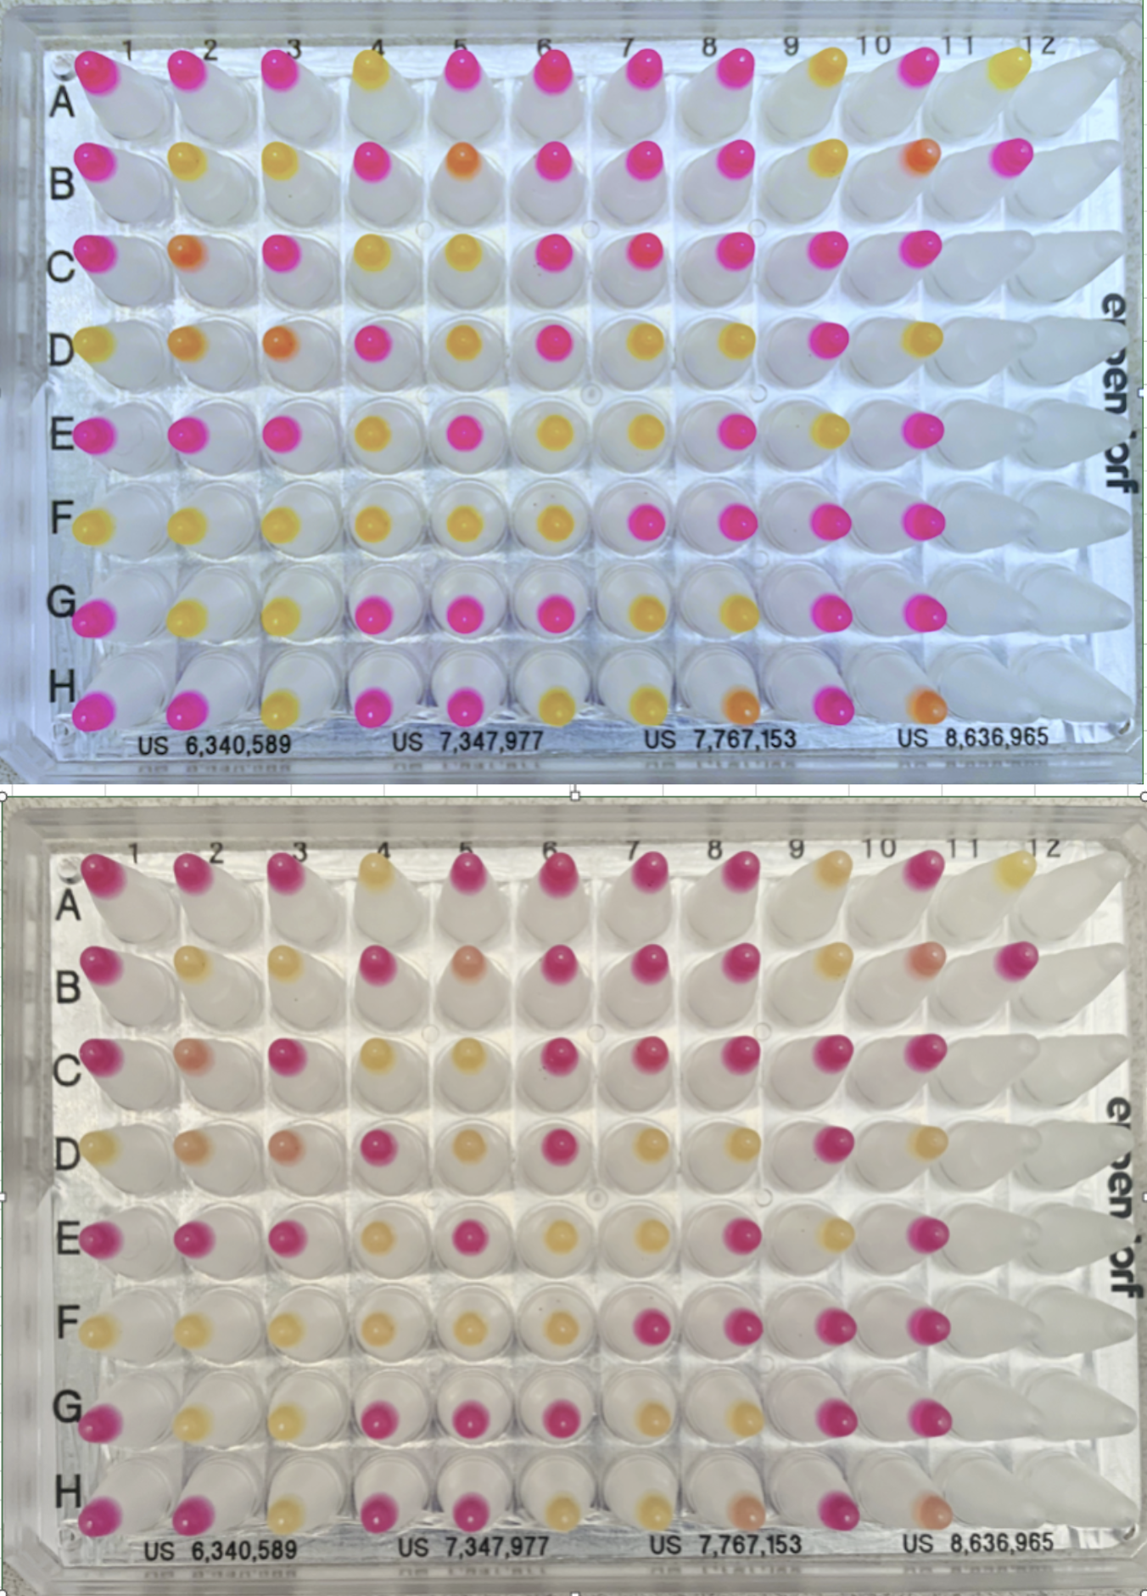
 | Total | 40 | 40 | 80
 | Positive Agreement | 90.0% (36/40) 95% CI: 76.3% to 97.2%
 | Negative Agreement | 100% (40/40) 95% CI: 91.2% to 100%

 | Source of Specimens: Stanford COVID-19 Clinical Testing Program
 | Specimen Type: Anterior Nares Swab in PBS, previously tested and frozen
 | Comparator Test: Hologic Panther Fusion SARS-CoV-2 Assay and Hologic Panther Aptima SARS-CoV-2 Assay

 | * The FloodLAMP EasyPCR Test has been submitted as a companion EUA. Clinical Evaluation of both tests were performed together, using the same inactivated specimens.
 | Per the Instructions for Use, for the 7 inconclusive initial results, the follow up FloodLAMP EasyPCR COVID-19 Test was peformed with all results being positive

 | Line Item Data |  | Comparator - Hologic Panther |  |  |  | FloodLAMP QuickColor Test |  | FloodLAMP EasyPCR COVID-19 Test* |  |  | FloodLAMP QuickColor Test
 | Well | Specimen ID | Comparator Test Date | Comparator Test Assay | Comparator Ct | Comparator Result | Initial Result |  | N1 Ct | RP Ct | Result | Final Interpretation
 | D01 | ST04 | 1/2/2021 | Panther Fusion | 13.2 | POSITIVE | POSITIVE |  | 22.1 | Und | POSITIVE | POSITIVE
 | C05 | ST35 | 1/2/2021 | Panther Fusion | 13.6 | POSITIVE | POSITIVE |  | 23.4 | Und | POSITIVE | POSITIVE
 | H07 | ST56 | 1/2/2021 | Panther Fusion | 14.0 | POSITIVE | POSITIVE |  | 23.7 | Und | POSITIVE | POSITIVE
 | G03 | ST23 | 1/1/2021 | Panther Fusion | 15.0 | POSITIVE | POSITIVE |  | 20.5 | Und | POSITIVE | POSITIVE
 | C04 | ST27 | 1/4/2021 | Panther Fusion | 15.1 | POSITIVE | POSITIVE |  | 21.4 | Und | POSITIVE | POSITIVE
 | E09 | ST69 | 1/3/2021 | Panther Fusion | 15.4 | POSITIVE | POSITIVE |  | 23.9 | 44.8 | POSITIVE | POSITIVE
 | F02 | ST14 | 1/3/2021 | Panther Fusion | 15.5 | POSITIVE | POSITIVE |  | 22.9 | Und | POSITIVE | POSITIVE
 | B02 | ST10 | 1/1/2021 | Panther Fusion | 15.6 | POSITIVE | POSITIVE |  | 27.7 | 29.9 | POSITIVE | POSITIVE
 | E07 | ST53 | 1/2/2021 | Panther Fusion | 15.6 | POSITIVE | POSITIVE |  | 25.1 | 26.4 | POSITIVE | POSITIVE
 | D08 | ST60 | 1/3/2021 | Panther Fusion | 15.7 | POSITIVE | POSITIVE |  | 21.7 | 39.1 | POSITIVE | POSITIVE
 | A04 | ST25 | 1/1/2021 | Panther Fusion | 16.5 | POSITIVE | POSITIVE |  | 26.5 | 29.3 | POSITIVE | POSITIVE
 | F03 | ST22 | 1/3/2021 | Panther Fusion | 17.2 | POSITIVE | POSITIVE |  | 24.7 | Und | POSITIVE | POSITIVE
 | G02 | ST15 | 1/1/2021 | Panther Fusion | 17.4 | POSITIVE | POSITIVE |  | 29.1 | 28.9 | POSITIVE | POSITIVE
 | B03 | ST18 | 1/2/2021 | Panther Fusion | 17.5 | POSITIVE | POSITIVE |  | 27.7 | 28.4 | POSITIVE | POSITIVE
 | H03 | ST24 | 1/1/2021 | Panther Fusion | 18.9 | POSITIVE | POSITIVE |  | 30.1 | 29.8 | POSITIVE | POSITIVE
 | E06 | ST45 | 1/6/2021 | Panther Fusion | 18.9 | POSITIVE | POSITIVE |  | 25.2 | 34.7 | POSITIVE | POSITIVE
 | G08 | ST63 | 1/2/2021 | Panther Fusion | 19.4 | POSITIVE | POSITIVE |  | 26.2 | 27.7 | POSITIVE | POSITIVE
 | D07 | ST52 | 1/1/2021 | Panther Fusion | 19.8 | POSITIVE | POSITIVE |  | 30.0 | 28.3 | POSITIVE | POSITIVE
 | H06 | ST48 | 1/2/2021 | Panther Fusion | 20.0 | POSITIVE | POSITIVE |  | 32.7 | 32.4 | POSITIVE | POSITIVE
 | E04 | ST29 | 1/1/2021 | Panther Fusion | 20.5 | POSITIVE | POSITIVE |  | 30.7 | 29.7 | POSITIVE | POSITIVE
 | B09 | ST66 | 1/1/2021 | Panther Fusion | 21.1 | POSITIVE | POSITIVE |  | 28.8 | 28.4 | POSITIVE | POSITIVE
 | F01 | ST06 | 1/5/2021 | Panther Fusion | 22.6 | POSITIVE | POSITIVE |  | 29.7 | 27.9 | POSITIVE | POSITIVE
 | F05 | ST38 | 1/1/2021 | Panther Fusion | 23.2 | POSITIVE | POSITIVE |  | 32.0 | 27.7 | POSITIVE | POSITIVE
 | F04 | ST30 | 1/9/2021 | Panther Fusion | 23.7 | POSITIVE | POSITIVE |  | 31.1 | 32.0 | POSITIVE | POSITIVE
 | D10 | ST76 | 1/2/2021 | Panther Fusion | 24.1 | POSITIVE | POSITIVE |  | 32.4 | 28.6 | POSITIVE | POSITIVE
 | G07 | ST55 | 1/1/2021 | Panther Fusion | 24.8 | POSITIVE | POSITIVE |  | 32.4 | 28.2 | POSITIVE | POSITIVE
 | D03 | ST20 | 1/1/2021 | Panther Fusion | 25.1 | POSITIVE | INCONCLUSIVE |  | 35.1 | 26.4 | POSITIVE | POSITIVE
 | H10 | ST80 | 1/1/2021 | Panther Fusion | 25.2 | POSITIVE | INCONCLUSIVE |  | 36.6 | 30.5 | POSITIVE | POSITIVE
 | H08 | ST64 | 1/2/2021 | Panther Fusion | 25.6 | POSITIVE | INCONCLUSIVE |  | 37.9 | 32.8 | POSITIVE | POSITIVE
 | H09 | ST72 | 1/2/2021 | Panther Fusion | 25.6 | POSITIVE | NEGATIVE |  | 37.3 | 31.3 | POSITIVE | NEGATIVE
 | B10 | ST74 | 1/2/2021 | Panther Fusion | 25.7 | POSITIVE | INCONCLUSIVE |  | 35.6 | 31.4 | POSITIVE | POSITIVE
 | G06 | ST47 | 1/2/2021 | Panther Fusion | 25.9 | POSITIVE | NEGATIVE |  | 36.5 | 30.1 | POSITIVE | NEGATIVE
 | A09 | ST65 | 1/5/2021 | Panther Fusion | 26.1 | POSITIVE | POSITIVE |  | 33.9 | 30.4 | POSITIVE | POSITIVE
 | D02 | ST12 | 1/2/2021 | Panther Fusion | 26.3 | POSITIVE | INCONCLUSIVE |  | 36.1 | 32.0 | POSITIVE | POSITIVE
 | B05 | ST34 | 1/4/2021 | Panther Fusion | 26.4 | POSITIVE | INCONCLUSIVE |  | 33.8 | 28.9 | POSITIVE | POSITIVE
 | F06 | ST46 | 1/9/2021 | Panther Fusion | 27.0 | POSITIVE | POSITIVE |  | 33.1 | 28.8 | POSITIVE | POSITIVE
 | C02 | ST11 | 1/4/2021 | Panther Fusion | 27.2 | POSITIVE | INCONCLUSIVE |  | 36.1 | 28.9 | POSITIVE | POSITIVE
 | C07 | ST51 | 1/7/2021 | Panther Fusion | 28.5 | POSITIVE | NEGATIVE |  | 37.7 | 29.5 | POSITIVE | NEGATIVE
 | G10 | ST79 | 1/1/2021 | Panther Fusion | 29.0 | POSITIVE | NEGATIVE |  | Und | 29.0 | NEGATIVE | NEGATIVE
 | D05 | ST36 | 1/5/2021 | Panther Fusion | 29.6 | POSITIVE | POSITIVE |  | 34.6 | 27.0 | POSITIVE | POSITIVE
 | A01 | ST01 | 1/5/2021 | Panther Aptima | Und | NEGATIVE | NEGATIVE |  | Und | 31.0 | NEGATIVE | NEGATIVE
 | B01 | ST02 | 1/5/2021 | Panther Aptima | Und | NEGATIVE | NEGATIVE |  | Und | 27.4 | NEGATIVE | NEGATIVE
 | C01 | ST03 | 1/5/2021 | Panther Aptima | Und | NEGATIVE | NEGATIVE |  | Und | 30.0 | NEGATIVE | NEGATIVE
 | E01 | ST05 | 1/13/2021 | Panther Fusion | Und | NEGATIVE | NEGATIVE |  | Und | 32.1 | NEGATIVE | NEGATIVE
 | G01 | ST07 | 1/14/2021 | Panther Fusion | Und | NEGATIVE | NEGATIVE |  | Und | 30.2 | NEGATIVE | NEGATIVE
 | H01 | ST08 | 1/13/2021 | Panther Fusion | Und | NEGATIVE | NEGATIVE |  | Und | 33.4 | NEGATIVE | NEGATIVE
 | A02 | ST09 | 1/13/2021 | Panther Fusion | Und | NEGATIVE | NEGATIVE |  | Und | 27.9 | NEGATIVE | NEGATIVE
 | E02 | ST13 | 1/13/2021 | Panther Fusion | Und | NEGATIVE | NEGATIVE |  | 41.3 | 29.6 | NEGATIVE | NEGATIVE
 | H02 | ST16 | 1/14/2021 | Panther Fusion | Und | NEGATIVE | NEGATIVE |  | Und | 34.3 | NEGATIVE | NEGATIVE
 | A03 | ST17 | 1/14/2021 | Panther Fusion | Und | NEGATIVE | NEGATIVE |  | 42.6 | 28.2 | NEGATIVE | NEGATIVE
 | C03 | ST19 | 1/13/2021 | Panther Fusion | Und | NEGATIVE | NEGATIVE |  | Und | 27.4 | NEGATIVE | NEGATIVE
 | E03 | ST21 | 1/14/2021 | Panther Fusion | Und | NEGATIVE | NEGATIVE |  | Und | 33.8 | NEGATIVE | NEGATIVE
 | B04 | ST26 | 1/4/2021 | Panther Fusion | Und | NEGATIVE | NEGATIVE |  | Und | 34.1 | NEGATIVE | NEGATIVE
 | D04 | ST28 | 1/3/2021 | Panther Fusion | Und | NEGATIVE | NEGATIVE |  | Und | 28.0 | NEGATIVE | NEGATIVE
 | G04 | ST31 | 1/4/2021 | Panther Aptima | Und | NEGATIVE | NEGATIVE |  | Und | 33.2 | NEGATIVE | NEGATIVE
 | H04 | ST32 | 1/3/2021 | Panther Fusion | Und | NEGATIVE | NEGATIVE |  | Und | 28.2 | NEGATIVE | NEGATIVE
 | A05 | ST33 | 1/5/2021 | Panther Fusion | Und | NEGATIVE | NEGATIVE |  | Und | 33.1 | NEGATIVE | NEGATIVE
 | E05 | ST37 | 1/5/2021 | Panther Fusion | Und | NEGATIVE | NEGATIVE |  | Und | 32.5 | NEGATIVE | NEGATIVE
 | G05 | ST39 | 1/5/2021 | Panther Fusion | Und | NEGATIVE | NEGATIVE |  | Und | 34.7 | NEGATIVE | NEGATIVE
 | H05 | ST40 | 1/5/2021 | Panther Fusion | Und | NEGATIVE | NEGATIVE |  | Und | 31.1 | NEGATIVE | NEGATIVE
 | A06 | ST41 | 1/5/2021 | Panther Fusion | Und | NEGATIVE | NEGATIVE |  | Und | 30.7 | NEGATIVE | NEGATIVE
 | B06 | ST42 | 1/5/2021 | Panther Fusion | Und | NEGATIVE | NEGATIVE |  | Und | 30.3 | NEGATIVE | NEGATIVE
 | C06 | ST43 | 1/5/2021 | Panther Aptima | Und | NEGATIVE | NEGATIVE |  | Und | 27.0 | NEGATIVE | NEGATIVE
 | D06 | ST44 | 1/5/2021 | Panther Aptima | Und | NEGATIVE | NEGATIVE |  | Und | 32.5 | NEGATIVE | NEGATIVE
 | A07 | ST49 | 1/4/2021 | Panther Aptima | Und | NEGATIVE | NEGATIVE |  | Und | 30.8 | NEGATIVE | NEGATIVE
 | B07 | ST50 | 1/4/2021 | Panther Fusion | Und | NEGATIVE | NEGATIVE |  | Und | 26.1 | NEGATIVE | NEGATIVE
 | F07 | ST54 | 1/4/2021 | Panther Fusion | Und | NEGATIVE | NEGATIVE |  | Und | 32.3 | NEGATIVE | NEGATIVE
 | A08 | ST57 | 1/4/2021 | Panther Aptima | Und | NEGATIVE | NEGATIVE |  | Und | 32.5 | NEGATIVE | NEGATIVE
 | B08 | ST58 | 1/4/2021 | Panther Aptima | Und | NEGATIVE | NEGATIVE |  | Und | 33.4 | NEGATIVE | NEGATIVE
 | C08 | ST59 | 1/4/2021 | Panther Aptima | Und | NEGATIVE | NEGATIVE |  | Und | 30.0 | NEGATIVE | NEGATIVE
 | E08 | ST61 | 1/4/2021 | Panther Fusion | Und | NEGATIVE | NEGATIVE |  | Und | 33.1 | NEGATIVE | NEGATIVE
 | F08 | ST62 | 1/4/2021 | Panther Aptima | Und | NEGATIVE | NEGATIVE |  | Und | 29.7 | NEGATIVE | NEGATIVE
 | C09 | ST67 | 1/4/2021 | Panther Fusion | Und | NEGATIVE | NEGATIVE |  | Und | 32.7 | NEGATIVE | NEGATIVE
 | D09 | ST68 | 1/4/2021 | Panther Fusion | Und | NEGATIVE | NEGATIVE |  | Und | 29.3 | NEGATIVE | NEGATIVE
 | F09 | ST70 | 1/4/2021 | Panther Fusion | Und | NEGATIVE | NEGATIVE |  | Und | 27.5 | NEGATIVE | NEGATIVE
 | G09 | ST71 | 1/4/2021 | Panther Fusion | Und | NEGATIVE | NEGATIVE |  | Und | 27.9 | NEGATIVE | NEGATIVE
 | A10 | ST73 | 1/13/2021 | Panther Fusion | Und | NEGATIVE | NEGATIVE |  | 44.4 | 32.6 | NEGATIVE | NEGATIVE
 | C10 | ST75 | 1/13/2021 | Panther Fusion | Und | NEGATIVE | NEGATIVE |  | Und | 32.9 | NEGATIVE | NEGATIVE
 | E10 | ST77 | 1/13/2021 | Panther Fusion | Und | NEGATIVE | NEGATIVE |  | Und | 29.7 | NEGATIVE | NEGATIVE
 | F10 | ST78 | 1/13/2021 | Panther Fusion | Und | NEGATIVE | NEGATIVE |  | Und | 31.5 | NEGATIVE | NEGATIVE
 | B11 | Neg Control | N/A | N/A | N/A | N/A | NEGATIVE |  |  |  |  | NEGATIVE
 | A11 | Pos Control | N/A | N/A | N/A | N/A | POSITIVE |  | 34.2 | 32.1 | POSITIVE | POSITIVE

